Top10_Greatest_Movies
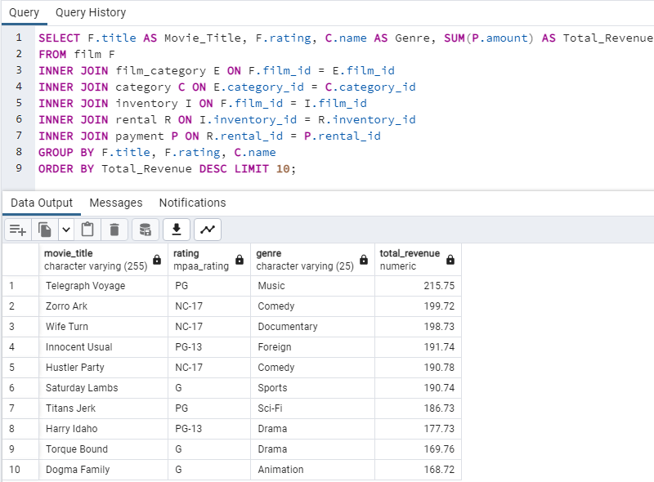
movie_title | rating | genre | total_revenue
Telegraph Voyage | PG | Music | 215.75
Zorro Ark | NC-17 | Comedy | 199.72
Wife Turn | NC-17 | Documentary | 198.73
Innocent Usual | PG-13 | Foreign | 191.74
Hustler Party | NC-17 | Comedy | 190.78
Saturday Lambs | G | Sports | 190.74
Titans Jerk | PG | Sci-Fi | 186.73
Harry Idaho | PG-13 | Drama | 177.73
Torque Bound | G | Drama | 169.76
Dogma Family | G | Animation | 168.72

10_leastGreat_movies
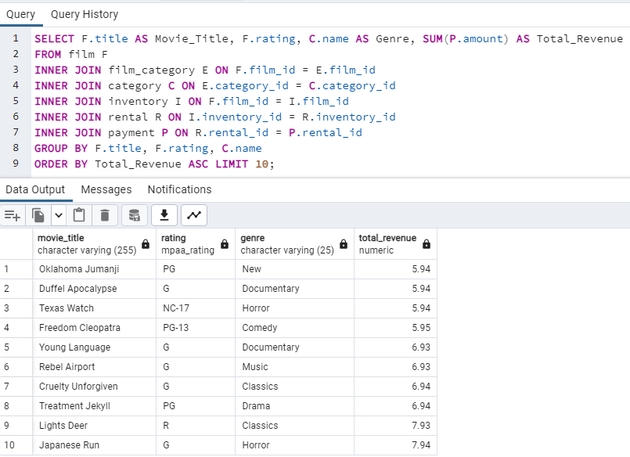
movie_title | rating | genre | total_revenue
Oklahoma Jumanji | PG | New | 5.94
Duffel Apocalypse | G | Documentary | 5.94
Texas Watch | NC-17 | Horror | 5.94
Freedom Cleopatra | PG-13 | Comedy | 5.95
Young Language | G | Documentary | 6.93
Rebel Airport | G | Music | 6.93
Cruelty Unforgiven | G | Classics | 6.94
Treatment Jekyll | PG | Drama | 6.94
Lights Deer | R | Classics | 7.93
Japanese Run | G | Horror | 7.94

Revenue by Genre
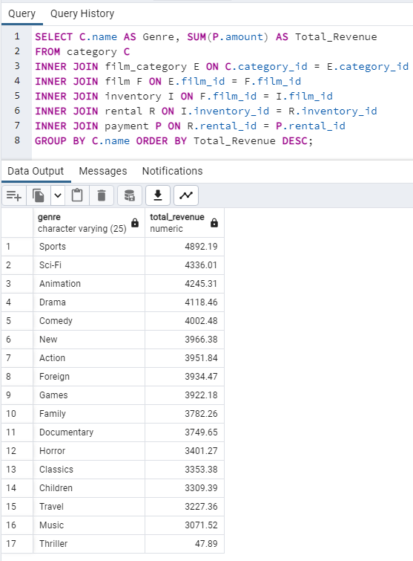
Genre | Total_Revenue
Sports | 4892.19
Sci-Fi | 4336.01
Animation | 4245.31
Drama | 4118.46
Comedy | 4002.48
New | 3966.38
Action | 3951.84
Foreign | 3934.47
Games | 3922.18
Family | 3782.26
Documentary | 3749.65
Horror | 3401.27
Classics | 3353.38
Children | 3309.39
Travel | 3227.36
Music | 3071.52
Thriller | 47.89

Revenue by Rating
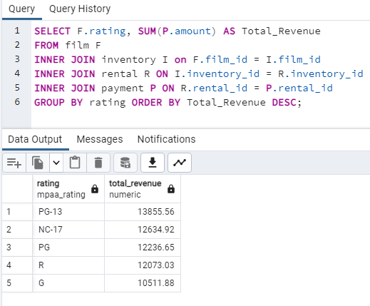
rating | total_revenue
PG-13 | 13855.56
NC-17 | 12634.92
PG | 12236.65
R | 12073.03
G | 10511.88

Avg_rent_by_genre
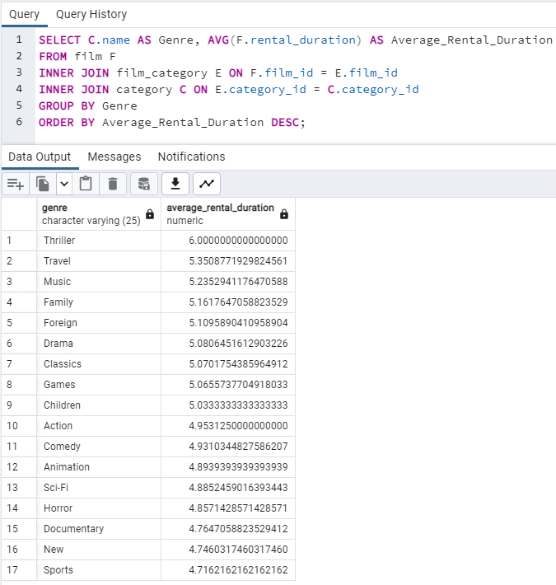
genre | average_rental_duration
Thriller | 6
Travel | 5.350877193
Music | 5.2352941176
Family | 5.1617647059
Foreign | 5.1095890411
Drama | 5.0806451613
Classics | 5.0701754386
Games | 5.0655737705
Children | 5.0333333333
Action | 4.953125
Comedy | 4.9310344828
Animation | 4.8939393939
Sci-Fi | 4.8852459016
Horror | 4.8571428571
Documentary | 4.7647058824
New | 4.746031746
Sports | 4.7162162162

Avg_rent_by_rating
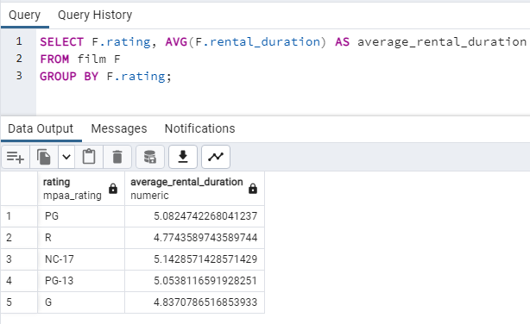
rating | average_rental_duration
PG | 5.0824742268
R | 4.7743589744
NC-17 | 5.1428571429
PG-13 | 5.0538116592
G | 4.8370786517

customers_per_country
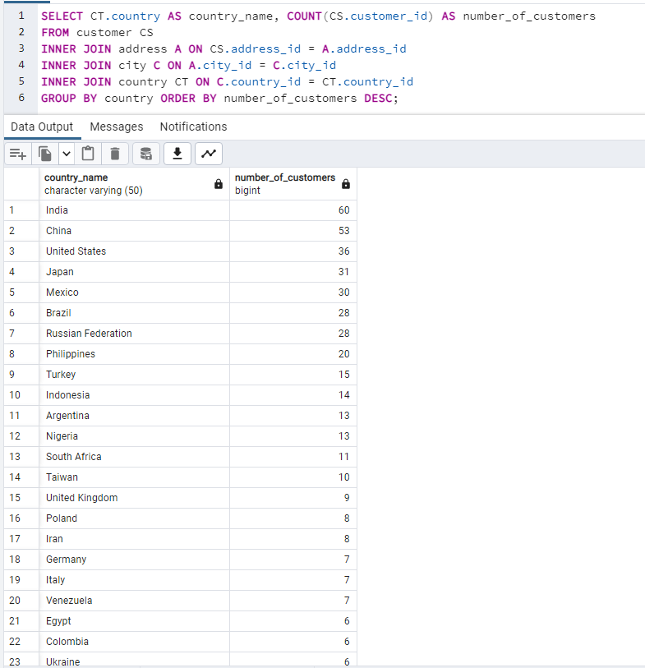
country_name | number_of_customers
India | 60
China | 53
United States | 36
Japan | 31
Mexico | 30
Brazil | 28
Russian Federation | 28
Philippines | 20
Turkey | 15
Indonesia | 14
Argentina | 13
Nigeria | 13
South Africa | 11
Taiwan | 10
United Kingdom | 9
Poland | 8
Iran | 8
Germany | 7
Italy | 7
Venezuela | 7
Egypt | 6
Colombia | 6
Ukraine | 6
Vietnam | 6
Spain | 5
Canada | 5
South Korea | 5
Pakistan | 5
Netherlands | 5
Saudi Arabia | 5
Israel | 4
France | 4
Yemen | 4
Peru | 4
Dominican Republic | 3
Bangladesh | 3
Thailand | 3
Algeria | 3
Chile | 3
Malaysia | 3
Mozambique | 3
Switzerland | 3
Ecuador | 3
Paraguay | 3
Austria | 3
United Arab Emirates | 3
Morocco | 3
Tanzania | 3
Myanmar | 2
Bulgaria | 2
Cameroon | 2
Cambodia | 2
Congo, The Democratic Republic of the | 2
Sudan | 2
Romania | 2
Latvia | 2
Yugoslavia | 2
Puerto Rico | 2
Kazakstan | 2
Greece | 2
Bolivia | 2
Kenya | 2
French Polynesia | 2
Angola | 2
Belarus | 2
Oman | 2
Azerbaijan | 2
Hungary | 1
American Samoa | 1
Armenia | 1
Sri Lanka | 1
French Guiana | 1
Sweden | 1
Faroe Islands | 1
Ethiopia | 1
Bahrain | 1
Czech Republic | 1
Lithuania | 1
Turkmenistan | 1
Tunisia | 1
Virgin Islands, U.S. | 1
Malawi | 1
Chad | 1
Afghanistan | 1
Greenland | 1
Moldova | 1
Gambia | 1
Holy See (Vatican City State) | 1
Estonia | 1
Slovakia | 1
North Korea | 1
Nauru | 1
Liechtenstein | 1
Senegal | 1
Zambia | 1
Hong Kong | 1
Kuwait | 1
Madagascar | 1
Runion | 1
Saint Vincent and the Grenadines | 1
Tuvalu | 1
Finland | 1
Iraq | 1
Anguilla | 1
Brunei | 1
Tonga | 1
Nepal | 1
New Zealand | 1

Top10_customerCountries
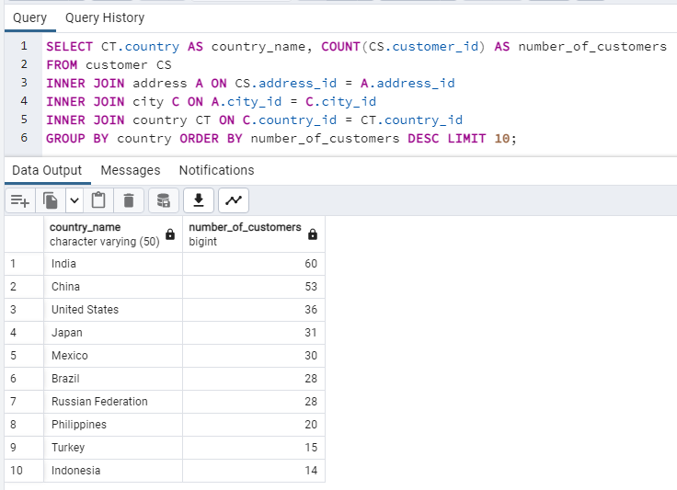
country_name | number_of_customers
India | 60
China | 53
United States | 36
Japan | 31
Mexico | 30
Brazil | 28
Russian Federation | 28
Philippines | 20
Turkey | 15
Indonesia | 14

Top10_customer_cities
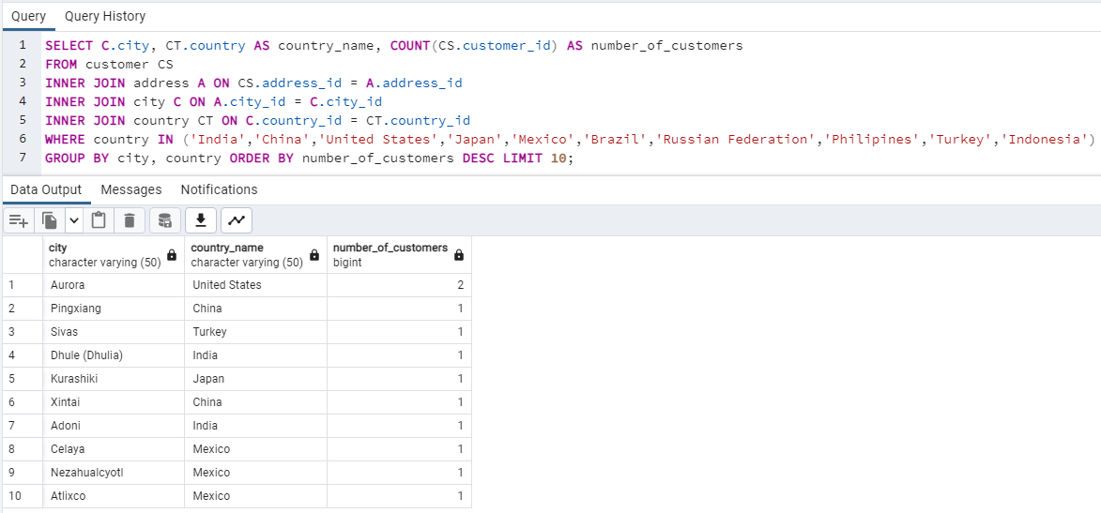
city | country_name | number_of_customers
Aurora | United States | 2
Pingxiang | China | 1
Sivas | Turkey | 1
Dhule (Dhulia) | India | 1
Kurashiki | Japan | 1
Xintai | China | 1
Adoni | India | 1
Celaya | Mexico | 1
Nezahualcyotl | Mexico | 1
Atlixco | Mexico | 1

Top10_paying_customers
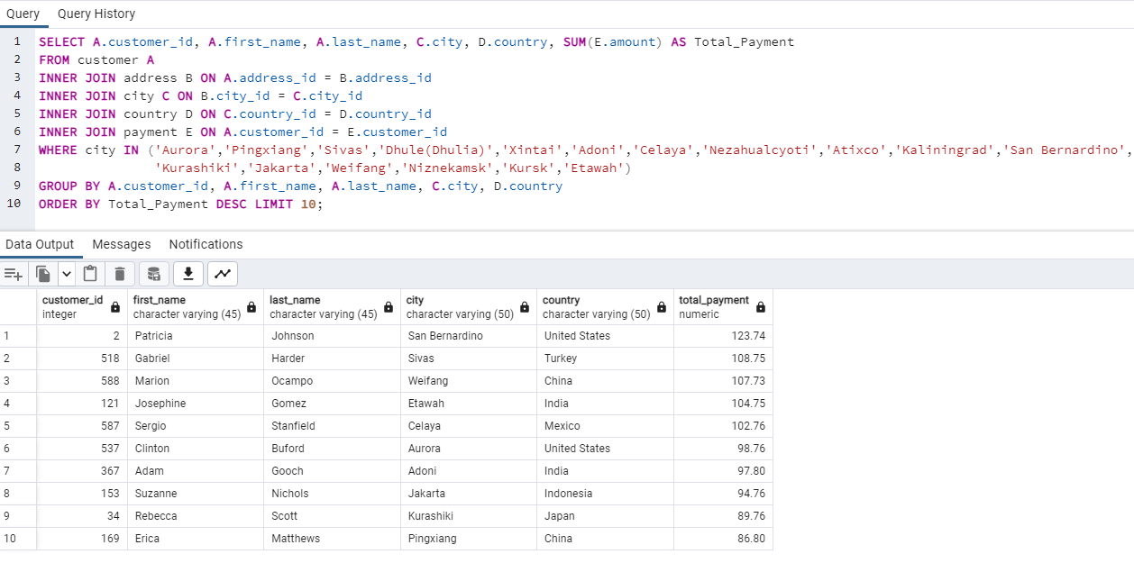
customer_id | first_name | last_name | city | country | total_payment
2 | Patricia | Johnson | San Bernardino | United States | 123.74
518 | Gabriel | Harder | Sivas | Turkey | 108.75
588 | Marion | Ocampo | Weifang | China | 107.73
121 | Josephine | Gomez | Etawah | India | 104.75
587 | Sergio | Stanfield | Celaya | Mexico | 102.76
537 | Clinton | Buford | Aurora | United States | 98.76
367 | Adam | Gooch | Adoni | India | 97.8
153 | Suzanne | Nichols | Jakarta | Indonesia | 94.76
34 | Rebecca | Scott | Kurashiki | Japan | 89.76
169 | Erica | Matthews | Pingxiang | China | 86.8

Top_Pay_Customers per Country
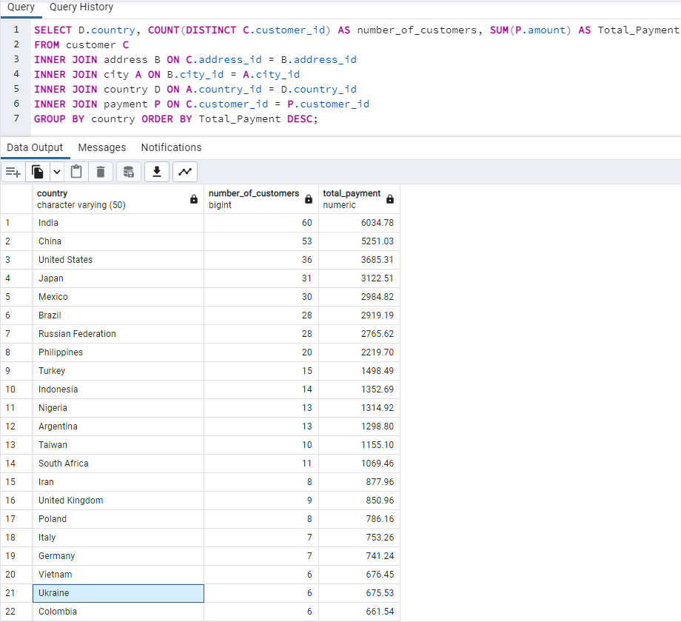
country | number_of_customers | total_payment
India | 60 | 6034.78
China | 53 | 5251.03
United States | 36 | 3685.31
Japan | 31 | 3122.51
Mexico | 30 | 2984.82
Brazil | 28 | 2919.19
Russian Federation | 28 | 2765.62
Philippines | 20 | 2219.7
Turkey | 15 | 1498.49
Indonesia | 14 | 1352.69
Nigeria | 13 | 1314.92
Argentina | 13 | 1298.8
Taiwan | 10 | 1155.1
South Africa | 11 | 1069.46
Iran | 8 | 877.96
United Kingdom | 9 | 850.96
Poland | 8 | 786.16
Italy | 7 | 753.26
Germany | 7 | 741.24
Vietnam | 6 | 676.45
Ukraine | 6 | 675.53
Colombia | 6 | 661.54
Egypt | 6 | 659.48
Venezuela | 7 | 632.43
Canada | 5 | 559.7
Netherlands | 5 | 557.73
South Korea | 5 | 527.77
Spain | 5 | 513.8
Yemen | 4 | 473.93
Pakistan | 5 | 473.84
Saudi Arabia | 5 | 452.94
Peru | 4 | 407.01
Thailand | 3 | 401.08
Israel | 4 | 379.13
Ecuador | 3 | 369.18
Bangladesh | 3 | 353.19
Algeria | 3 | 349.18
France | 4 | 334.12
Malaysia | 3 | 330.23
Tanzania | 3 | 322.22
Mozambique | 3 | 315.25
United Arab Emirates | 3 | 305.25
Dominican Republic | 3 | 304.26
Chile | 3 | 303.34
Austria | 3 | 284.3
Morocco | 3 | 274.35
Paraguay | 3 | 273.4
Belarus | 2 | 271.36
Latvia | 2 | 249.43
Switzerland | 3 | 248.41
Kenya | 2 | 245.49
Yugoslavia | 2 | 233.49
Puerto Rico | 2 | 224.48
Romania | 2 | 218.42
Runion | 1 | 211.55
French Polynesia | 2 | 205.52
Greece | 2 | 204.54
Sudan | 2 | 202.51
Azerbaijan | 2 | 198.53
Bulgaria | 2 | 194.52
Kazakstan | 2 | 192.51
Angola | 2 | 187.55
Cameroon | 2 | 186.49
Myanmar | 2 | 179.53
Cambodia | 2 | 179.51
Bolivia | 2 | 178.56
Congo, The Democratic Republic of the | 2 | 168.58
Oman | 2 | 161.56
Holy See (Vatican City State) | 1 | 146.68
Nauru | 1 | 143.7
Sweden | 1 | 139.67
Czech Republic | 1 | 132.72
Moldova | 1 | 127.66
Turkmenistan | 1 | 126.74
Chad | 1 | 122.72
Malawi | 1 | 121.73
Zambia | 1 | 121.7
Virgin Islands, U.S. | 1 | 121.69
Greenland | 1 | 119.72
Armenia | 1 | 118.75
Gambia | 1 | 114.73
Iraq | 1 | 111.73
Hungary | 1 | 111.71
Bahrain | 1 | 108.76
North Korea | 1 | 107.71
Brunei | 1 | 107.66
Kuwait | 1 | 106.75
Estonia | 1 | 105.72
Hong Kong | 1 | 104.76
Sri Lanka | 1 | 103.73
Liechtenstein | 1 | 99.74
Anguilla | 1 | 99.68
French Guiana | 1 | 97.8
Faroe Islands | 1 | 96.76
Senegal | 1 | 95.76
Nepal | 1 | 93.83
Tuvalu | 1 | 93.78
Madagascar | 1 | 92.79
Ethiopia | 1 | 91.77
New Zealand | 1 | 85.77
Slovakia | 1 | 80.77
Finland | 1 | 78.79
Tunisia | 1 | 73.78
Afghanistan | 1 | 67.82
Tonga | 1 | 64.84
Saint Vincent and the Grenadines | 1 | 64.82
Lithuania | 1 | 63.78
American Samoa | 1 | 47.85

